Proposta
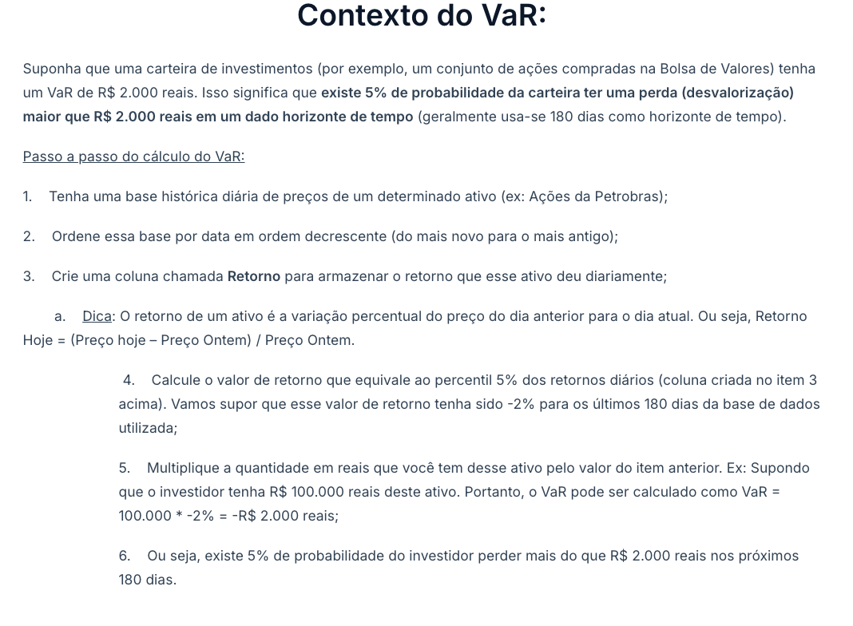
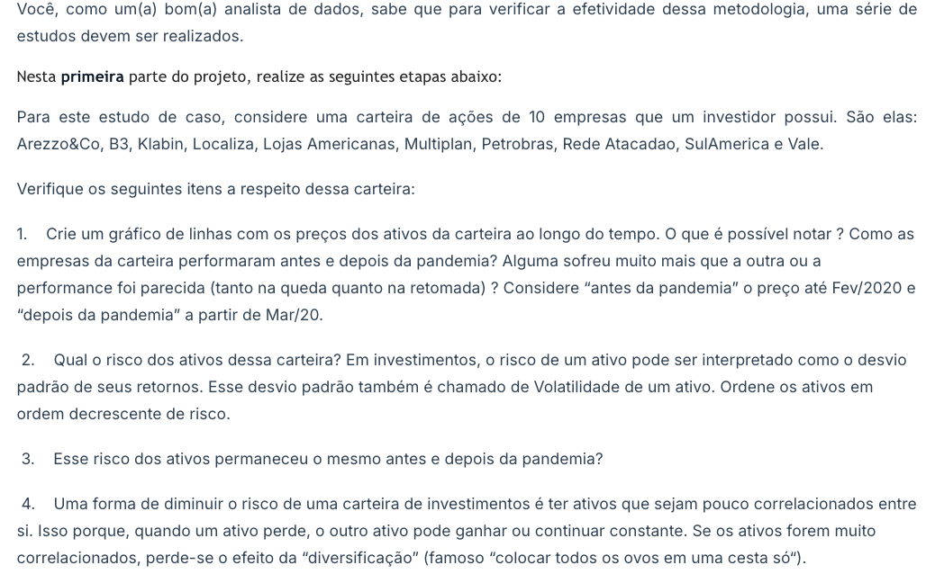
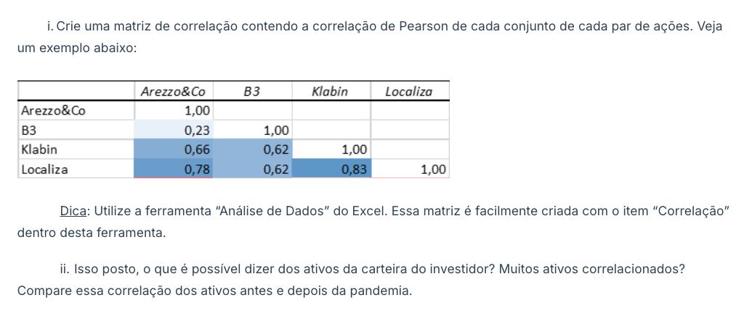
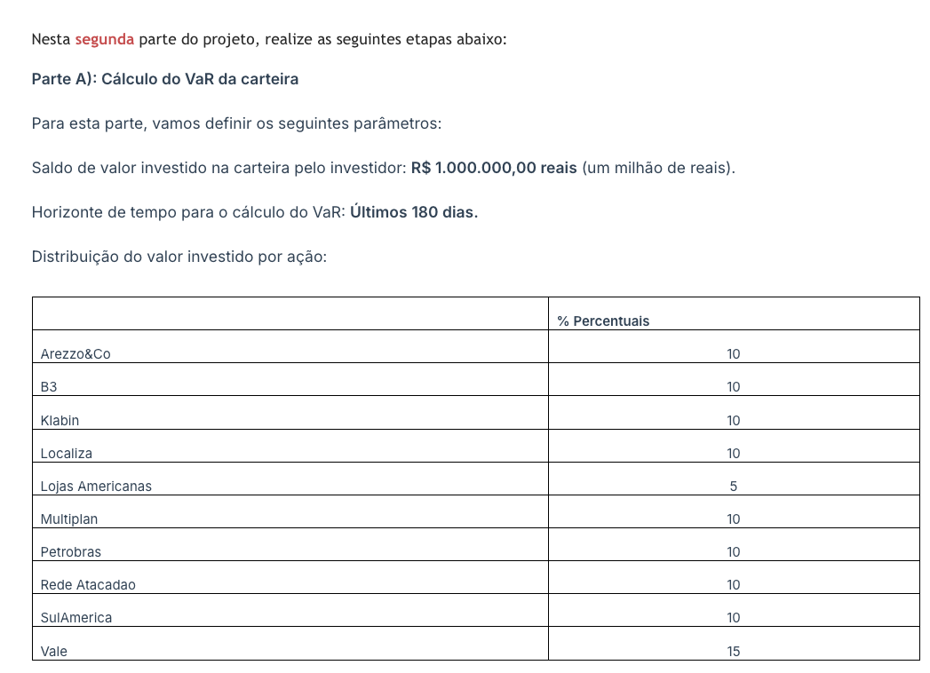
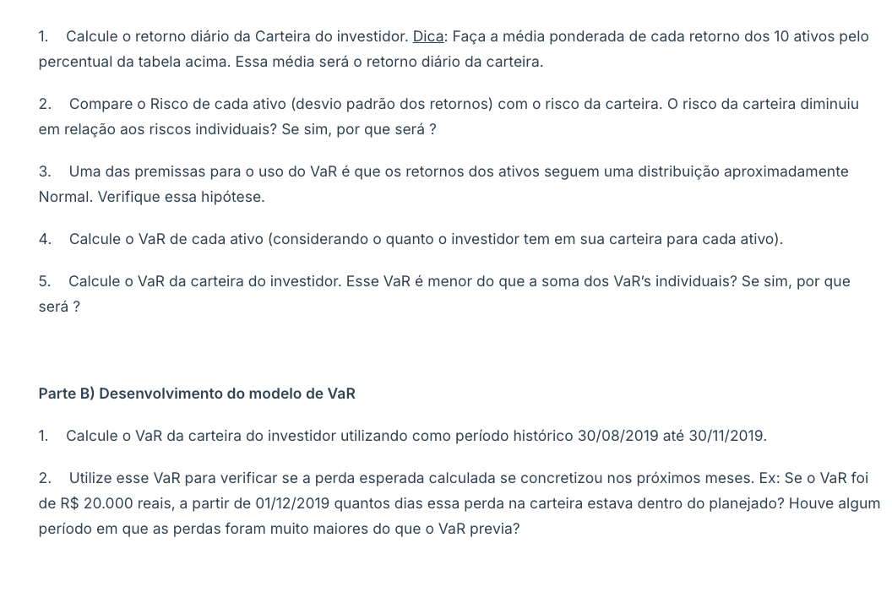
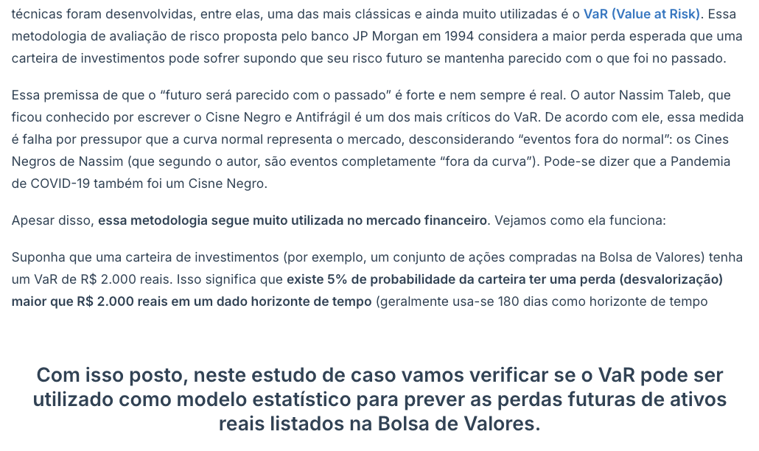
Parte 1 | Exploratorio | Calculo Var e modelo

A. Exploratória
Valores ações - Todas juntas
 | Arezzo&Co | B3 | Klabin | Localiza | Lojas Americanas | Multiplan | Petrobras | Rede Atacadao | SulAmerica | Vale
8/27/21 | 92.39 | 13.94 | 26.72 | 58.30 | 5.95 | 21.48 | 28.49 | 18.75 | 29.58 | 100.69
8/26/21 | 91.32 | 13.66 | 26.37 | 55.96 | 5.95 | 21.07 | 27.49 | 18.45 | 29.28 | 98.23
8/25/21 | 92.63 | 13.99 | 26.67 | 57.53 | 5.81 | 21.80 | 27.73 | 18.89 | 30.00 | 99.50
8/24/21 | 91.74 | 13.90 | 25.67 | 57.05 | 5.87 | 21.93 | 27.58 | 18.87 | 30.26 | 99.71
8/23/21 | 90.25 | 13.65 | 25.17 | 56.43 | 5.25 | 21.26 | 27.02 | 18.80 | 29.32 | 96.20
8/20/21 | 90.40 | 14.20 | 24.61 | 58.73 | 5.59 | 21.70 | 26.60 | 19.21 | 29.65 | 97.55
8/19/21 | 89.20 | 14.18 | 23.90 | 58.14 | 5.61 | 21.51 | 26.64 | 18.88 | 28.50 | 97.51
8/18/21 | 87.80 | 13.54 | 24.22 | 55.21 | 5.41 | 21.32 | 26.79 | 18.10 | 28.20 | 103.41
8/17/21 | 87.58 | 13.82 | 25.19 | 54.60 | 5.41 | 21.59 | 27.03 | 18.11 | 28.40 | 107.00
8/16/21 | 89.70 | 13.98 | 25.33 | 56.10 | 5.63 | 22.09 | 28.64 | 18.56 | 29.00 | 108.80
8/13/21 | 91.44 | 14.64 | 25.21 | 57.45 | 5.97 | 22.48 | 29.35 | 18.84 | 29.68 | 108.30
8/12/21 | 92.78 | 13.89 | 24.64 | 58.07 | 6.57 | 22.56 | 29.10 | 18.95 | 29.02 | 109.20
8/11/21 | 91.98 | 15.05 | 24.93 | 57.39 | 6.45 | 23.01 | 28.67 | 18.97 | 28.23 | 109.27
8/10/21 | 92.10 | 15.51 | 25.08 | 57.43 | 6.42 | 23.09 | 28.28 | 18.83 | 28.50 | 110.06
8/9/21 | 92.90 | 15.77 | 25.11 | 58.60 | 6.60 | 23.56 | 28.19 | 18.95 | 29.07 | 109.01
8/6/21 | 93.60 | 15.90 | 24.44 | 58.25 | 6.72 | 23.20 | 28.39 | 19.15 | 29.15 | 109.70
8/5/21 | 92.00 | 15.71 | 24.70 | 58.50 | 6.72 | 23.23 | 28.35 | 18.86 | 28.98 | 109.08
8/4/21 | 91.79 | 15.94 | 25.00 | 59.16 | 6.84 | 23.51 | 26.28 | 19.06 | 29.03 | 112.52
8/3/21 | 92.03 | 16.01 | 24.49 | 61.11 | 7.03 | 23.80 | 26.85 | 19.12 | 29.80 | 112.64
8/2/21 | 92.08 | 15.62 | 24.40 | 61.17 | 7.27 | 24.02 | 26.41 | 18.87 | 30.69 | 108.93
7/30/21 | 90.52 | 15.25 | 24.61 | 62.15 | 7.09 | 23.35 | 26.91 | 18.99 | 30.09 | 108.76
7/29/21 | 92.55 | 15.81 | 25.19 | 67.09 | 7.40 | 24.16 | 27.81 | 19.24 | 30.79 | 115.57
7/28/21 | 93.34 | 15.84 | 25.33 | 66.14 | 7.47 | 22.93 | 27.71 | 19.54 | 31.11 | 117.30
7/27/21 | 93.86 | 16.10 | 25.42 | 66.81 | 7.46 | 22.96 | 27.15 | 19.80 | 30.95 | 114.18
7/26/21 | 96.27 | 16.41 | 25.93 | 68.02 | 7.62 | 23.63 | 27.47 | 19.88 | 31.71 | 116.60
7/23/21 | 97.73 | 16.35 | 25.65 | 68.32 | 7.82 | 23.71 | 26.74 | 19.71 | 31.66 | 114.12
7/22/21 | 98.12 | 16.50 | 25.77 | 68.30 | 7.84 | 24.27 | 26.90 | 20.00 | 31.72 | 114.70
7/21/21 | 96.81 | 16.35 | 25.59 | 66.81 | 7.90 | 24.26 | 26.96 | 20.07 | 32.03 | 114.40
7/20/21 | 97.23 | 16.42 | 26.00 | 67.50 | 8.33 | 24.35 | 26.59 | 20.19 | 32.27 | 113.10
7/19/21 | 98.16 | 16.41 | 25.68 | 67.25 | 7.90 | 23.90 | 26.24 | 20.28 | 31.94 | 112.16
7/16/21 | 99.57 | 16.59 | 26.00 | 67.70 | 8.66 | 24.17 | 26.68 | 20.65 | 32.22 | 113.40
7/15/21 | 100.81 | 17.00 | 26.29 | 68.71 | 8.53 | 24.45 | 27.08 | 20.67 | 32.93 | 115.48
7/14/21 | 99.46 | 17.12 | 26.70 | 68.58 | 8.75 | 24.94 | 27.67 | 20.97 | 33.88 | 115.12
7/13/21 | 97.13 | 16.95 | 27.09 | 66.17 | 8.85 | 24.48 | 27.90 | 20.69 | 33.74 | 115.75
7/12/21 | 96.62 | 16.71 | 27.15 | 66.11 | 8.67 | 23.80 | 27.73 | 20.55 | 33.20 | 115.07
7/8/21 | 96.04 | 16.15 | 27.00 | 65.51 | 8.52 | 23.06 | 27.49 | 20.77 | 32.37 | 113.66
7/7/21 | 96.47 | 16.27 | 27.23 | 66.35 | 8.58 | 23.03 | 28.05 | 20.90 | 33.69 | 114.10
7/6/21 | 95.81 | 15.92 | 26.69 | 62.94 | 8.49 | 22.90 | 27.67 | 20.64 | 33.14 | 113.77
7/5/21 | 96.05 | 16.11 | 26.93 | 64.11 | 21.11 | 23.40 | 28.85 | 21.01 | 33.60 | 113.17
7/2/21 | 95.42 | 16.42 | 26.71 | 64.46 | 21.37 | 23.15 | 29.18 | 21.32 | 34.11 | 113.58
7/1/21 | 93.51 | 16.32 | 26.49 | 62.50 | 21.09 | 22.77 | 29.06 | 20.90 | 34.23 | 111.28
6/30/21 | 94.50 | 16.82 | 26.34 | 64.00 | 21.58 | 23.50 | 29.43 | 21.00 | 34.66 | 113.25
6/29/21 | 95.08 | 17.04 | 26.39 | 64.53 | 22.22 | 23.07 | 29.18 | 21.15 | 35.42 | 112.51
6/28/21 | 94.95 | 16.99 | 26.36 | 64.25 | 22.35 | 23.72 | 29.05 | 21.42 | 35.04 | 110.60
6/25/21 | 92.79 | 16.69 | 25.86 | 63.60 | 21.94 | 24.04 | 29.10 | 21.39 | 34.60 | 112.40
6/24/21 | 94.30 | 16.99 | 26.37 | 64.50 | 22.38 | 25.18 | 29.65 | 21.63 | 35.99 | 111.03
6/23/21 | 93.71 | 17.02 | 25.85 | 64.00 | 21.42 | 25.05 | 29.30 | 21.28 | 35.52 | 113.07
6/22/21 | 95.00 | 16.99 | 26.30 | 63.00 | 21.76 | 25.30 | 29.10 | 21.47 | 35.95 | 111.40
6/21/21 | 95.93 | 17.07 | 26.15 | 63.22 | 22.10 | 25.99 | 28.95 | 21.65 | 36.03 | 110.11
6/18/21 | 94.27 | 17.38 | 25.67 | 62.81 | 21.75 | 25.76 | 28.32 | 22.16 | 36.00 | 109.09
...
Volatilidade dos ativos - Periodo Total
 | Vale | Arezzo&Co | Localiza | SulAmerica | Lojas Americanas | Klabin | Petrobras | Multiplan | B3 | Rede Atacadao
DesV.P | 25.24 | 15.75 | 11.78 | 7.54 | 6.49 | 4.58 | 4.40 | 4.15 | 2.39 | 1.46

Volatilidade | Vale | SulAmerica | Atacadao | Petrobras | Multiplan | Lojas Americanas | Localiza | Klabin | B3 | Arezzo&Co
2019 | 2.48 | 3.27 | 1.42 | 1.56 | 1.66 | 2.46 | 2.08 | 1.42 | 0.72 | 6.32
2020 | 11.32 | 7.56 | 1.47 | 4.60 | 4.85 | 4.45 | 11.96 | 3.18 | 2.85 | 9.91
2021 | 8.25 | 3.00 | 1.47 | 2.43 | 1.75 | 6.79 | 4.06 | 1.76 | 1.75 | 10.26
Total Geral | 25.24 | 7.55 | 1.46 | 4.40 | 4.15 | 6.49 | 11.78 | 4.58 | 2.39 | 15.75

Valores ações - Arezzo
 | Arezzo&Co
8/27/21 | 92.39
8/26/21 | 91.32
8/25/21 | 92.63
8/24/21 | 91.74
8/23/21 | 90.25
8/20/21 | 90.40
8/19/21 | 89.20
8/18/21 | 87.80
8/17/21 | 87.58
8/16/21 | 89.70
8/13/21 | 91.44
8/12/21 | 92.78
8/11/21 | 91.98
8/10/21 | 92.10
8/9/21 | 92.90
8/6/21 | 93.60
8/5/21 | 92.00
8/4/21 | 91.79
8/3/21 | 92.03
8/2/21 | 92.08
7/30/21 | 90.52
7/29/21 | 92.55
7/28/21 | 93.34
7/27/21 | 93.86
7/26/21 | 96.27
7/23/21 | 97.73
7/22/21 | 98.12
7/21/21 | 96.81
7/20/21 | 97.23
7/19/21 | 98.16
7/16/21 | 99.57
7/15/21 | 100.81
7/14/21 | 99.46
7/13/21 | 97.13
7/12/21 | 96.62
7/8/21 | 96.04
7/7/21 | 96.47
7/6/21 | 95.81
7/5/21 | 96.05
7/2/21 | 95.42
7/1/21 | 93.51
6/30/21 | 94.50
6/29/21 | 95.08
6/28/21 | 94.95
6/25/21 | 92.79
6/24/21 | 94.30
6/23/21 | 93.71
6/22/21 | 95.00
6/21/21 | 95.93
6/18/21 | 94.27
...
Valores ações - B3
 | B3
8/27/21 | 13.94
8/26/21 | 13.66
8/25/21 | 13.99
8/24/21 | 13.90
8/23/21 | 13.65
8/20/21 | 14.20
8/19/21 | 14.18
8/18/21 | 13.54
8/17/21 | 13.82
8/16/21 | 13.98
8/13/21 | 14.64
8/12/21 | 13.89
8/11/21 | 15.05
8/10/21 | 15.51
8/9/21 | 15.77
8/6/21 | 15.90
8/5/21 | 15.71
8/4/21 | 15.94
8/3/21 | 16.01
8/2/21 | 15.62
7/30/21 | 15.25
7/29/21 | 15.81
7/28/21 | 15.84
7/27/21 | 16.10
7/26/21 | 16.41
7/23/21 | 16.35
7/22/21 | 16.50
7/21/21 | 16.35
7/20/21 | 16.42
7/19/21 | 16.41
7/16/21 | 16.59
7/15/21 | 17.00
7/14/21 | 17.12
7/13/21 | 16.95
7/12/21 | 16.71
7/8/21 | 16.15
7/7/21 | 16.27
7/6/21 | 15.92
7/5/21 | 16.11
7/2/21 | 16.42
7/1/21 | 16.32
6/30/21 | 16.82
6/29/21 | 17.04
6/28/21 | 16.99
6/25/21 | 16.69
6/24/21 | 16.99
6/23/21 | 17.02
6/22/21 | 16.99
6/21/21 | 17.07
6/18/21 | 17.38
...

Valores ações - Klabin
 | Klabin
8/27/21 | 26.72
8/26/21 | 26.37
8/25/21 | 26.67
8/24/21 | 25.67
8/23/21 | 25.17
8/20/21 | 24.61
8/19/21 | 23.90
8/18/21 | 24.22
8/17/21 | 25.19
8/16/21 | 25.33
8/13/21 | 25.21
8/12/21 | 24.64
8/11/21 | 24.93
8/10/21 | 25.08
8/9/21 | 25.11
8/6/21 | 24.44
8/5/21 | 24.70
8/4/21 | 25.00
8/3/21 | 24.49
8/2/21 | 24.40
7/30/21 | 24.61
7/29/21 | 25.19
7/28/21 | 25.33
7/27/21 | 25.42
7/26/21 | 25.93
7/23/21 | 25.65
7/22/21 | 25.77
7/21/21 | 25.59
7/20/21 | 26.00
7/19/21 | 25.68
7/16/21 | 26.00
7/15/21 | 26.29
7/14/21 | 26.70
7/13/21 | 27.09
7/12/21 | 27.15
7/8/21 | 27.00
7/7/21 | 27.23
7/6/21 | 26.69
7/5/21 | 26.93
7/2/21 | 26.71
7/1/21 | 26.49
6/30/21 | 26.34
6/29/21 | 26.39
6/28/21 | 26.36
6/25/21 | 25.86
6/24/21 | 26.37
6/23/21 | 25.85
6/22/21 | 26.30
6/21/21 | 26.15
6/18/21 | 25.67
...
Valores ações - Localiza
 | Localiza
8/27/21 | 58.30
8/26/21 | 55.96
8/25/21 | 57.53
8/24/21 | 57.05
8/23/21 | 56.43
8/20/21 | 58.73
8/19/21 | 58.14
8/18/21 | 55.21
8/17/21 | 54.60
8/16/21 | 56.10
8/13/21 | 57.45
8/12/21 | 58.07
8/11/21 | 57.39
8/10/21 | 57.43
8/9/21 | 58.60
8/6/21 | 58.25
8/5/21 | 58.50
8/4/21 | 59.16
8/3/21 | 61.11
8/2/21 | 61.17
7/30/21 | 62.15
7/29/21 | 67.09
7/28/21 | 66.14
7/27/21 | 66.81
7/26/21 | 68.02
7/23/21 | 68.32
7/22/21 | 68.30
7/21/21 | 66.81
7/20/21 | 67.50
7/19/21 | 67.25
7/16/21 | 67.70
7/15/21 | 68.71
7/14/21 | 68.58
7/13/21 | 66.17
7/12/21 | 66.11
7/8/21 | 65.51
7/7/21 | 66.35
7/6/21 | 62.94
7/5/21 | 64.11
7/2/21 | 64.46
7/1/21 | 62.50
6/30/21 | 64.00
6/29/21 | 64.53
6/28/21 | 64.25
6/25/21 | 63.60
6/24/21 | 64.50
6/23/21 | 64.00
6/22/21 | 63.00
6/21/21 | 63.22
6/18/21 | 62.81
...

Valores ações - Lojas Americanas
 | Lojas Americanas
8/27/21 | 5.95
8/26/21 | 5.95
8/25/21 | 5.81
8/24/21 | 5.87
8/23/21 | 5.25
8/20/21 | 5.59
8/19/21 | 5.61
8/18/21 | 5.41
8/17/21 | 5.41
8/16/21 | 5.63
8/13/21 | 5.97
8/12/21 | 6.57
8/11/21 | 6.45
8/10/21 | 6.42
8/9/21 | 6.60
8/6/21 | 6.72
8/5/21 | 6.72
8/4/21 | 6.84
8/3/21 | 7.03
8/2/21 | 7.27
7/30/21 | 7.09
7/29/21 | 7.40
7/28/21 | 7.47
7/27/21 | 7.46
7/26/21 | 7.62
7/23/21 | 7.82
7/22/21 | 7.84
7/21/21 | 7.90
7/20/21 | 8.33
7/19/21 | 7.90
7/16/21 | 8.66
7/15/21 | 8.53
7/14/21 | 8.75
7/13/21 | 8.85
7/12/21 | 8.67
7/8/21 | 8.52
7/7/21 | 8.58
7/6/21 | 8.49
7/5/21 | 21.11
7/2/21 | 21.37
7/1/21 | 21.09
6/30/21 | 21.58
6/29/21 | 22.22
6/28/21 | 22.35
6/25/21 | 21.94
6/24/21 | 22.38
6/23/21 | 21.42
6/22/21 | 21.76
6/21/21 | 22.10
6/18/21 | 21.75
...
Valores ações - Multiplan
 | Multiplan
8/27/21 | 21.48
8/26/21 | 21.07
8/25/21 | 21.80
8/24/21 | 21.93
8/23/21 | 21.26
8/20/21 | 21.70
8/19/21 | 21.51
8/18/21 | 21.32
8/17/21 | 21.59
8/16/21 | 22.09
8/13/21 | 22.48
8/12/21 | 22.56
8/11/21 | 23.01
8/10/21 | 23.09
8/9/21 | 23.56
8/6/21 | 23.20
8/5/21 | 23.23
8/4/21 | 23.51
8/3/21 | 23.80
8/2/21 | 24.02
7/30/21 | 23.35
7/29/21 | 24.16
7/28/21 | 22.93
7/27/21 | 22.96
7/26/21 | 23.63
7/23/21 | 23.71
7/22/21 | 24.27
7/21/21 | 24.26
7/20/21 | 24.35
7/19/21 | 23.90
7/16/21 | 24.17
7/15/21 | 24.45
7/14/21 | 24.94
7/13/21 | 24.48
7/12/21 | 23.80
7/8/21 | 23.06
7/7/21 | 23.03
7/6/21 | 22.90
7/5/21 | 23.40
7/2/21 | 23.15
7/1/21 | 22.77
6/30/21 | 23.50
6/29/21 | 23.07
6/28/21 | 23.72
6/25/21 | 24.04
6/24/21 | 25.18
6/23/21 | 25.05
6/22/21 | 25.30
6/21/21 | 25.99
6/18/21 | 25.76
...

Valores ações - Petrobras
 | Petrobras
8/27/21 | 28.49
8/26/21 | 27.49
8/25/21 | 27.73
8/24/21 | 27.58
8/23/21 | 27.02
8/20/21 | 26.60
8/19/21 | 26.64
8/18/21 | 26.79
8/17/21 | 27.03
8/16/21 | 28.64
8/13/21 | 29.35
8/12/21 | 29.10
8/11/21 | 28.67
8/10/21 | 28.28
8/9/21 | 28.19
8/6/21 | 28.39
8/5/21 | 28.35
8/4/21 | 26.28
8/3/21 | 26.85
8/2/21 | 26.41
7/30/21 | 26.91
7/29/21 | 27.81
7/28/21 | 27.71
7/27/21 | 27.15
7/26/21 | 27.47
7/23/21 | 26.74
7/22/21 | 26.90
7/21/21 | 26.96
7/20/21 | 26.59
7/19/21 | 26.24
7/16/21 | 26.68
7/15/21 | 27.08
7/14/21 | 27.67
7/13/21 | 27.90
7/12/21 | 27.73
7/8/21 | 27.49
7/7/21 | 28.05
7/6/21 | 27.67
7/5/21 | 28.85
7/2/21 | 29.18
7/1/21 | 29.06
6/30/21 | 29.43
6/29/21 | 29.18
6/28/21 | 29.05
6/25/21 | 29.10
6/24/21 | 29.65
6/23/21 | 29.30
6/22/21 | 29.10
6/21/21 | 28.95
6/18/21 | 28.32
...
Valores ações - Rede Atacadao
 | Rede Atacadao
8/27/21 | 18.75
8/26/21 | 18.45
8/25/21 | 18.89
8/24/21 | 18.87
8/23/21 | 18.80
8/20/21 | 19.21
8/19/21 | 18.88
8/18/21 | 18.10
8/17/21 | 18.11
8/16/21 | 18.56
8/13/21 | 18.84
8/12/21 | 18.95
8/11/21 | 18.97
8/10/21 | 18.83
8/9/21 | 18.95
8/6/21 | 19.15
8/5/21 | 18.86
8/4/21 | 19.06
8/3/21 | 19.12
8/2/21 | 18.87
7/30/21 | 18.99
7/29/21 | 19.24
7/28/21 | 19.54
7/27/21 | 19.80
7/26/21 | 19.88
7/23/21 | 19.71
7/22/21 | 20.00
7/21/21 | 20.07
7/20/21 | 20.19
7/19/21 | 20.28
7/16/21 | 20.65
7/15/21 | 20.67
7/14/21 | 20.97
7/13/21 | 20.69
7/12/21 | 20.55
7/8/21 | 20.77
7/7/21 | 20.90
7/6/21 | 20.64
7/5/21 | 21.01
7/2/21 | 21.32
7/1/21 | 20.90
6/30/21 | 21.00
6/29/21 | 21.15
6/28/21 | 21.42
6/25/21 | 21.39
6/24/21 | 21.63
6/23/21 | 21.28
6/22/21 | 21.47
6/21/21 | 21.65
6/18/21 | 22.16
...

Valores ações - Sul America
 | SulAmerica
8/27/21 | 29.58
8/26/21 | 29.28
8/25/21 | 30.00
8/24/21 | 30.26
8/23/21 | 29.32
8/20/21 | 29.65
8/19/21 | 28.50
8/18/21 | 28.20
8/17/21 | 28.40
8/16/21 | 29.00
8/13/21 | 29.68
8/12/21 | 29.02
8/11/21 | 28.23
8/10/21 | 28.50
8/9/21 | 29.07
8/6/21 | 29.15
8/5/21 | 28.98
8/4/21 | 29.03
8/3/21 | 29.80
8/2/21 | 30.69
7/30/21 | 30.09
7/29/21 | 30.79
7/28/21 | 31.11
7/27/21 | 30.95
7/26/21 | 31.71
7/23/21 | 31.66
7/22/21 | 31.72
7/21/21 | 32.03
7/20/21 | 32.27
7/19/21 | 31.94
7/16/21 | 32.22
7/15/21 | 32.93
7/14/21 | 33.88
7/13/21 | 33.74
7/12/21 | 33.20
7/8/21 | 32.37
7/7/21 | 33.69
7/6/21 | 33.14
7/5/21 | 33.60
7/2/21 | 34.11
7/1/21 | 34.23
6/30/21 | 34.66
6/29/21 | 35.42
6/28/21 | 35.04
6/25/21 | 34.60
6/24/21 | 35.99
6/23/21 | 35.52
6/22/21 | 35.95
6/21/21 | 36.03
6/18/21 | 36.00
...
Valores ações - Vale
 | Vale
8/27/21 | 100.69
8/26/21 | 98.23
8/25/21 | 99.50
8/24/21 | 99.71
8/23/21 | 96.20
8/20/21 | 97.55
8/19/21 | 97.51
8/18/21 | 103.41
8/17/21 | 107.00
8/16/21 | 108.80
8/13/21 | 108.30
8/12/21 | 109.20
8/11/21 | 109.27
8/10/21 | 110.06
8/9/21 | 109.01
8/6/21 | 109.70
8/5/21 | 109.08
8/4/21 | 112.52
8/3/21 | 112.64
8/2/21 | 108.93
7/30/21 | 108.76
7/29/21 | 115.57
7/28/21 | 117.30
7/27/21 | 114.18
7/26/21 | 116.60
7/23/21 | 114.12
7/22/21 | 114.70
7/21/21 | 114.40
7/20/21 | 113.10
7/19/21 | 112.16
7/16/21 | 113.40
7/15/21 | 115.48
7/14/21 | 115.12
7/13/21 | 115.75
7/12/21 | 115.07
7/8/21 | 113.66
7/7/21 | 114.10
7/6/21 | 113.77
7/5/21 | 113.17
7/2/21 | 113.58
7/1/21 | 111.28
6/30/21 | 113.25
6/29/21 | 112.51
6/28/21 | 110.60
6/25/21 | 112.40
6/24/21 | 111.03
6/23/21 | 113.07
6/22/21 | 111.40
6/21/21 | 110.11
6/18/21 | 109.09
...

